Conditional Formatting
Conditional Formatting

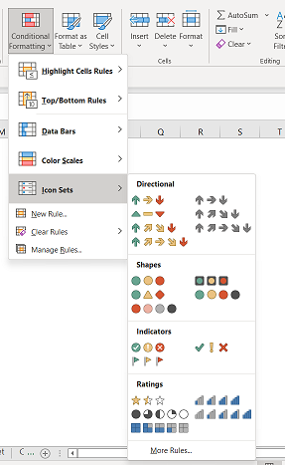
Excel conditional formatting is a really powerful feature when it comes to applying different formats to data that meets certain conditions. It can help you highlight the most important information in your spreadsheets and spot variances of cell values with a quick glance.

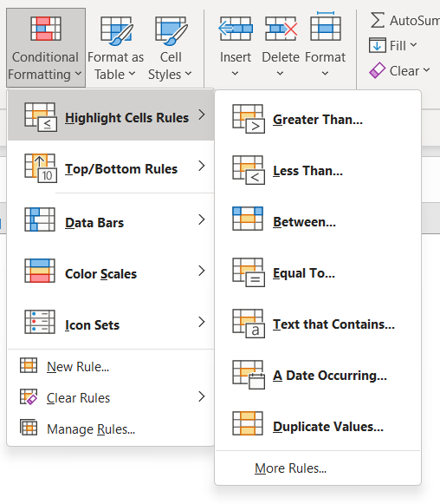
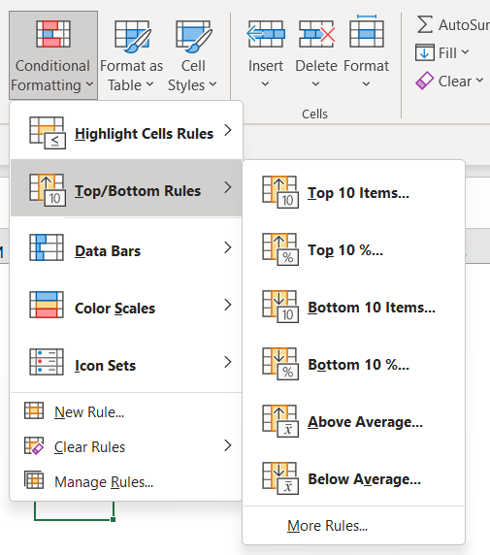
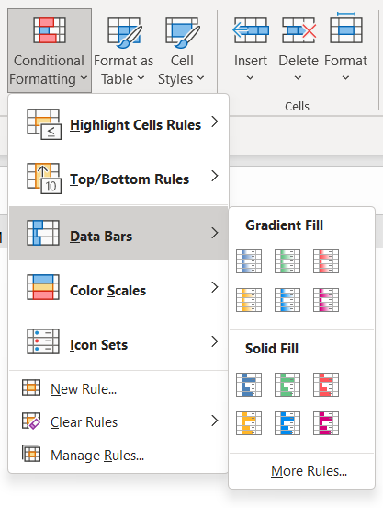
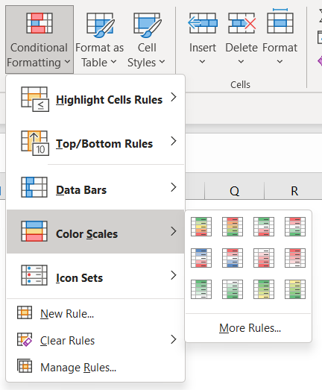

1 | 2 | 3 | 4 | 5

Less than
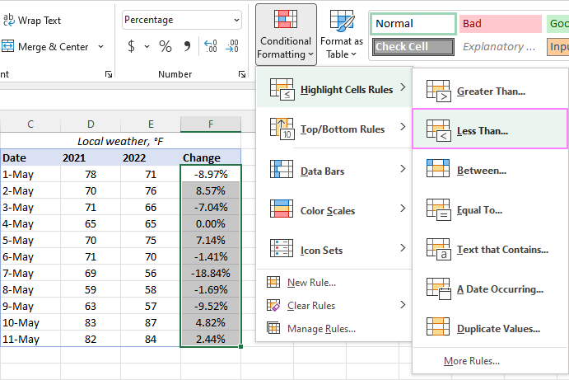
"Less than 0" rule with default formatting |  |  |  | "Less than 0" rule with custom formatting
Date | 2021 | 2022 | Change | Date | 2021 | 2022 | Change
1-May | 78 | 71 | -8.97% | 1-May | 78 | 71 | -8.97%
2-May | 70 | 76 | 8.57% | 2-May | 70 | 76 | 8.57%
3-May | 71 | 66 | -7.04% | 3-May | 71 | 66 | -7.04%
4-May | 65 | 65 | 0.00% | 4-May | 65 | 65 | 0.00%
5-May | 70 | 75 | 7.14% | 5-May | 70 | 75 | 7.14%
6-May | 71 | 70 | -1.41% | 6-May | 71 | 70 | -1.41%
7-May | 69 | 56 | -18.84% | 7-May | 69 | 56 | -18.84%
8-May | 59 | 58 | -1.69% | 8-May | 59 | 58 | -1.69%
9-May | 63 | 57 | -9.52% | 9-May | 63 | 57 | -9.52%
10-May | 83 | 87 | 4.82% | 10-May | 83 | 87 | 4.82%
11-May | 82 | 84 | 2.44% | 11-May | 82 | 84 | 2.44%

Between two numbers
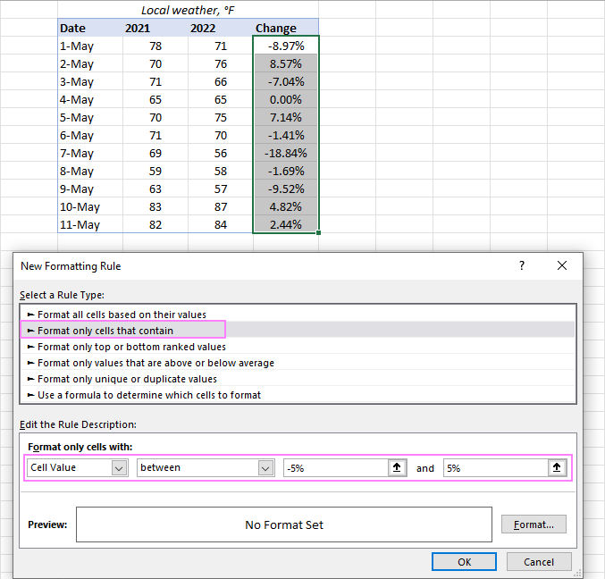
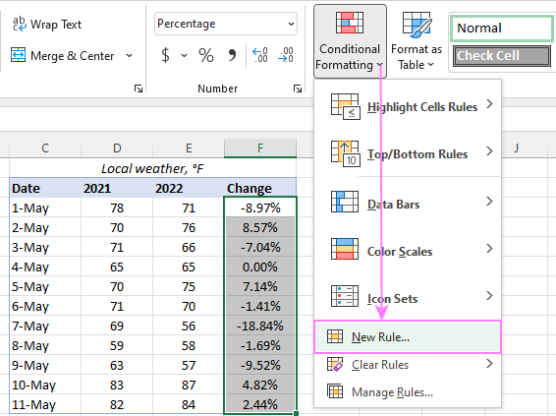
Highlighting percent change between -5% and 5%
Date | 2021 | 2022 | Percent change
1-May | 78 | 71 | -8.97%
2-May | 70 | 76 | 8.57%
3-May | 71 | 66 | -7.04%
4-May | 65 | 65 | 0.00%
5-May | 70 | 75 | 7.14%
6-May | 71 | 70 | -1.41%
7-May | 69 | 56 | -18.84%
8-May | 59 | 58 | -1.69%
9-May | 63 | 57 | -9.52%
10-May | 83 | 87 | 4.82%
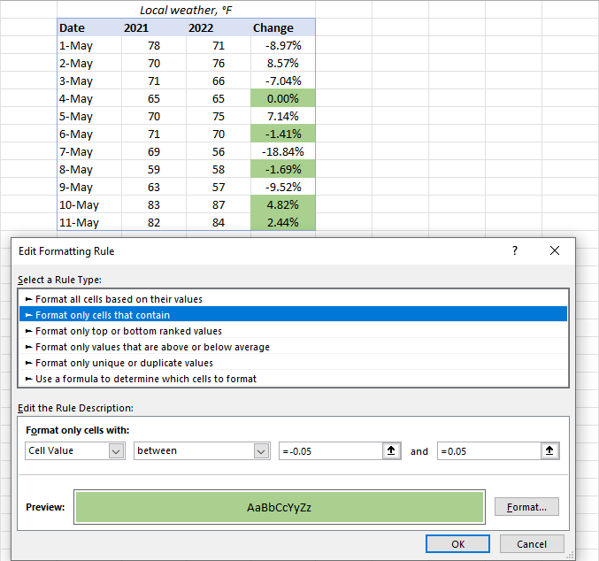
11-May | 82 | 84 | 2.44%

Based on another cell
Higher than threshhold price
Month | Price | Threshold price | Click Conditional formatting> Highlight Cells Rules > Greater Than…
Jan | $103.87 | $99.99
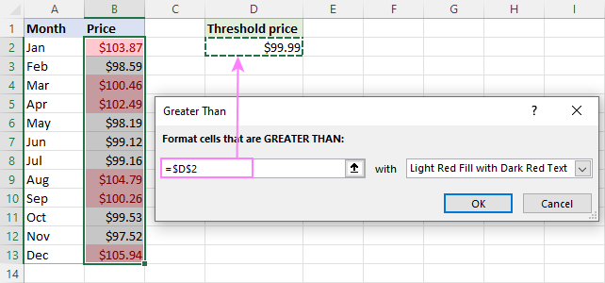
Feb | $98.59
Mar | $100.46
Apr | $102.49
May | $98.19
Jun | $99.12
Jul | $99.16
Aug | $104.79
Sep | $100.26
Oct | $99.53
Nov | $97.52
Dec | $105.94

Multiple rules
1. Select any cell in your dataset covered by the rules. 2. Open the Rules Manager by clicking Conditional Formatting > Manage Rules…
3. Click the rule that needs to be applied first, and then use the upward arrow to move it to top. Do the same for the second-in-priority rule.
4. Select the Stop If True check box next to all but the last rule because you do not want the subsequent rules to be applied when the prior condition is met.
Month | Price
Jan | $103.87 | Cells highlighted
Feb | $98.59 | > $105
Mar | $100.46 | > $100
Apr | $102.49 | > $99
May | $98.19
Jun | $99.12
Jul | $99.16
Aug | $105.79
Sep | $100.26
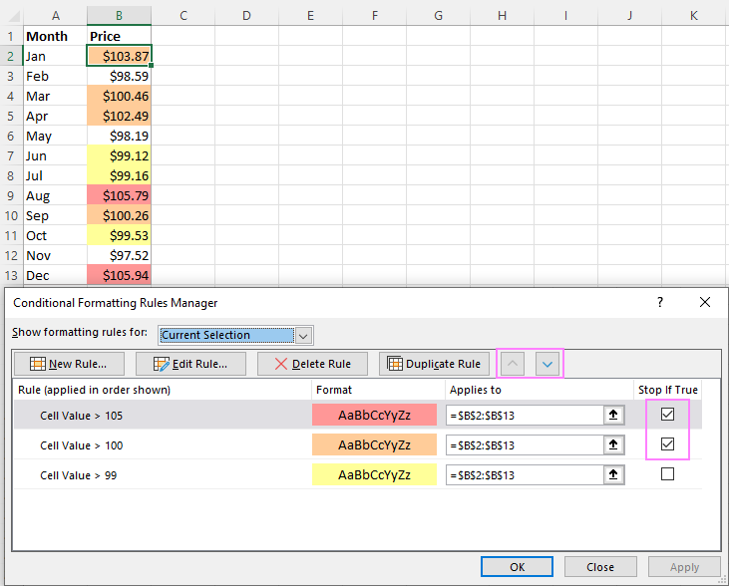
Oct | $99.53
Nov | $97.52
Dec | $105.94

Data Bars
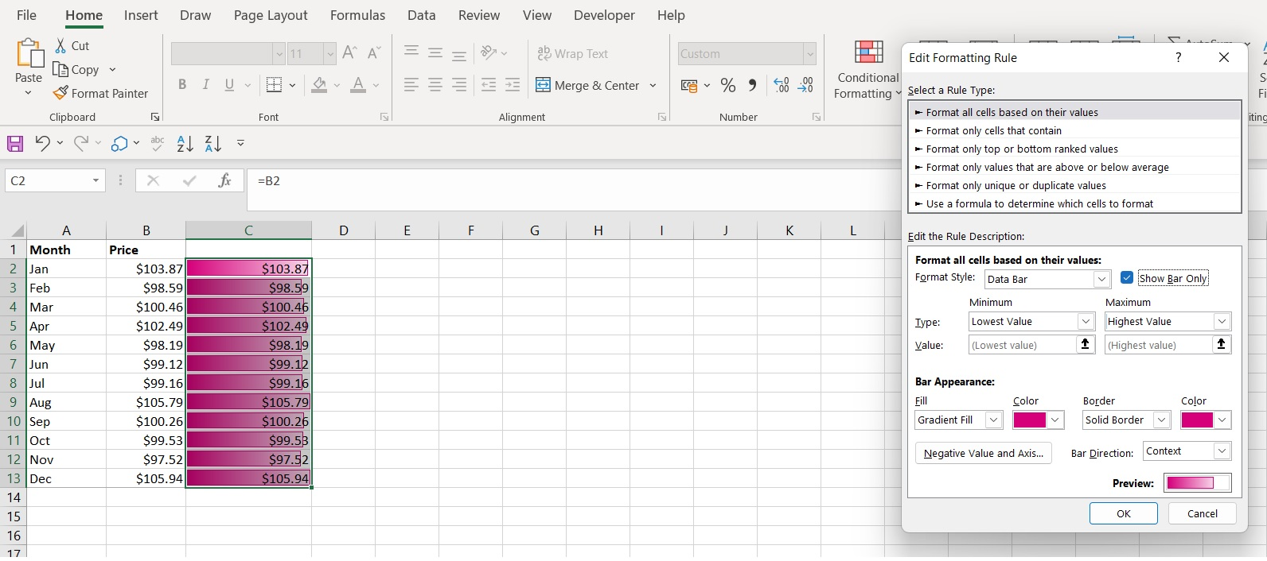
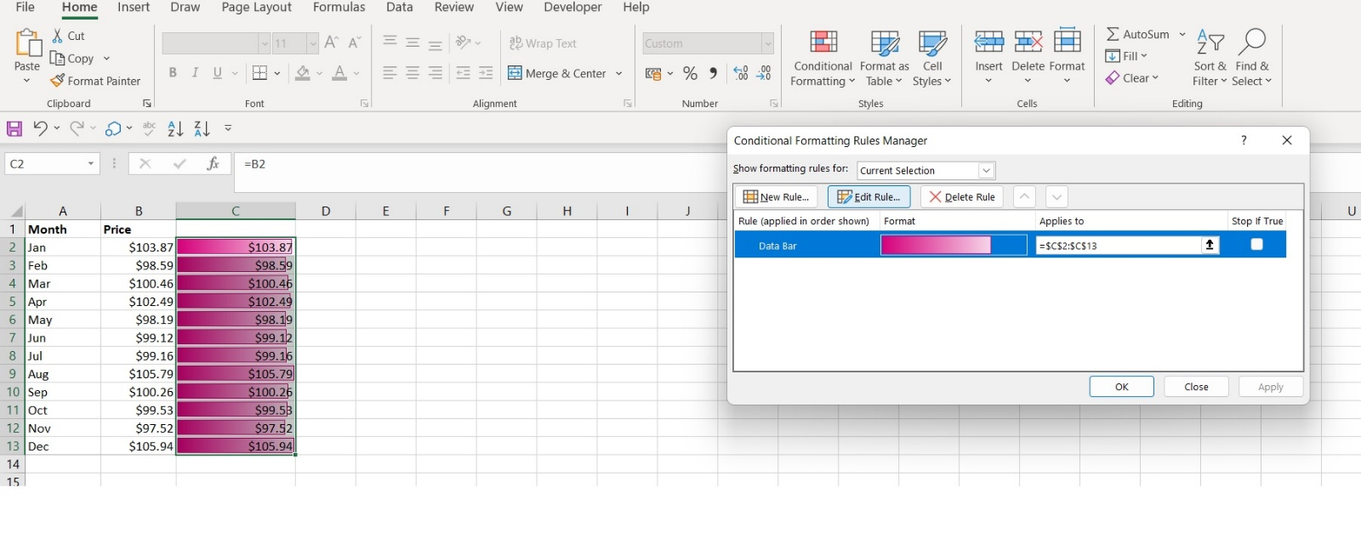
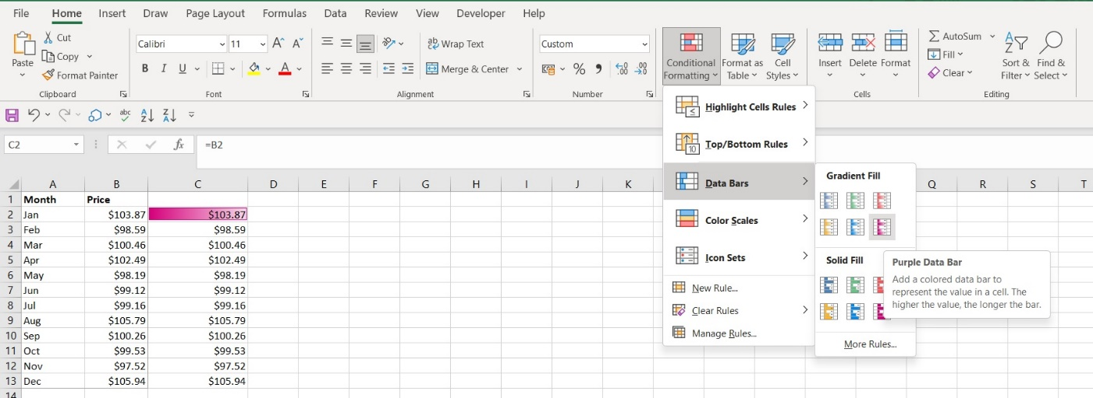
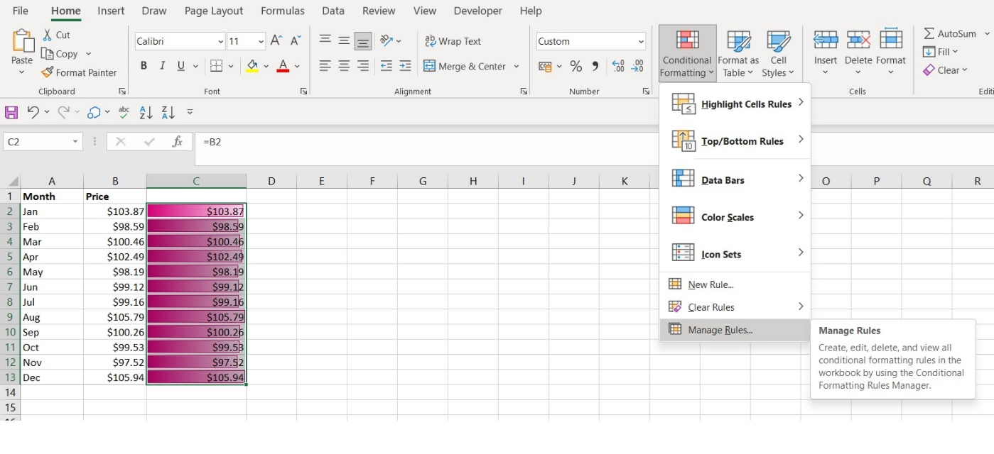
Month | Price
Jan | $103.87 | $103.87
Feb | $98.59 | $98.59
Mar | $100.46 | $100.46
Apr | $102.49 | $102.49
May | $98.19 | $98.19
Jun | $99.12 | $99.12
Jul | $99.16 | $99.16
Aug | $105.79 | $105.79
Sep | $100.26 | $100.26
Oct | $99.53 | $99.53
Nov | $97.52 | $97.52
Dec | $105.94 | $105.94

Preset icon set
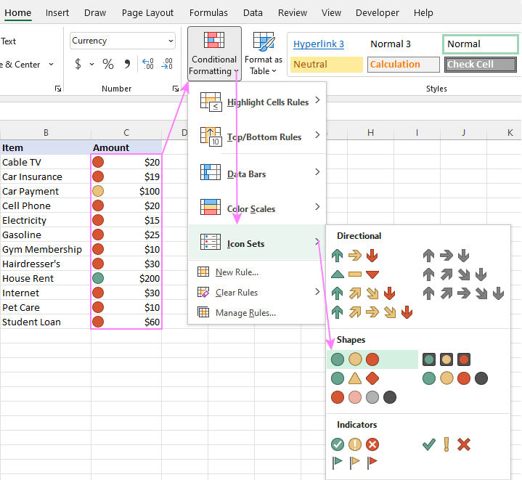
Item | Amount
Cable TV | $20 | 20
Car Insurance | $19 | 19
Car Payment | $100 | 100
Cell Phone | $20 | 20
Electricity | $15 | 15
Gasoline | $25 | 25
Gym Membership | $10 | 10
Hairdresser's | $30 | 30
House Rent | $200 | 200
Internet | $30 | 30
Pet Care | $10 | 10
Student Loan | $60 | 60

Condition in another cell
Instead of "hardcoding" the criteria in a rule, you can input each condition in a separate cell, and then refer to those cells. The key benefit of this approach is that you can easily modify the conditions by changing the values in the referenced cells without editing the rule.
For example, we've entered the two main conditions in cells G2 and G3 and configured the rule in this way:
For Type, pick Formula.
For the Value box, enter the cell address preceded with the equality sign. To get it done automatically by Excel, just place the cursor in the box and click the cell on the sheet.
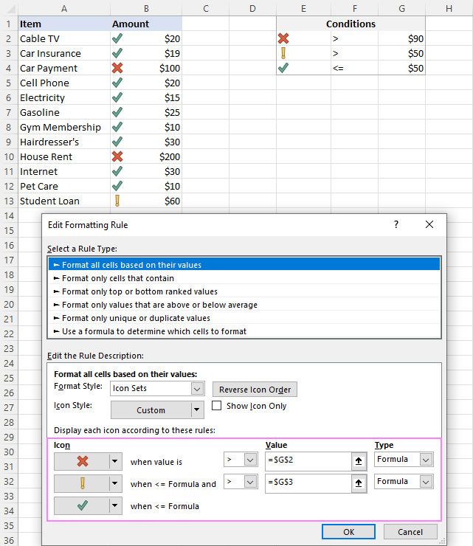
Item | Amount | Conditions
Cable TV | $20 | $100 | > | $90
Car Insurance | $19 | $60 | > | $50
Car Payment | $100 | $40 | <= | $50
Cell Phone | $20
Electricity | $15
Gasoline | $25
Gym Membership | $10
Hairdresser's | $30
House Rent | $200
Internet | $30
Pet Care | $10
Student Loan | $60

